Trend
 |  | Hospital name
12:30:00 |  | Jane Doe | 5 Yr 2 Mth | F | Ward 5
2023-11-15 |  | 10167432 |  | W: 15 kg | Ht: 105

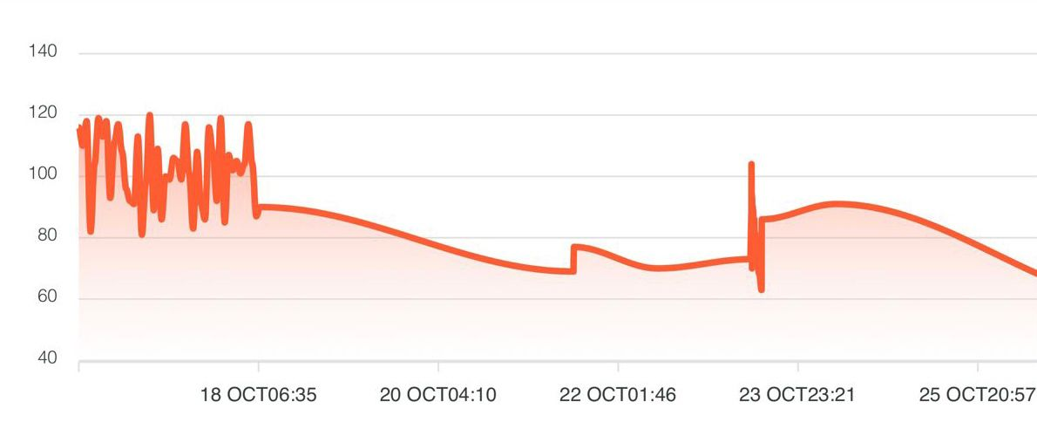 Heart Rate |  |  |  |  |  | 5 Vital sign Trends listing to display in order from top to bottom
 |  |  |  |  |  | 1. Temperature
 |  |  |  |  |  | 2. Heart rate
 |  |  |  |  |  | 3. Blood Pressure
 |  |  |  |  |  | 4. Respiratory rate
 |  |  |  |  |  | 5. Oxygen Saturation
 |  |  |  |  |  | 6. EWS score trends
 |  |  |  |  |  | ? Is it possible for user to arrange the order of list of Vital sign trends - by just tap . hold then slide below or above? That makes the default setting
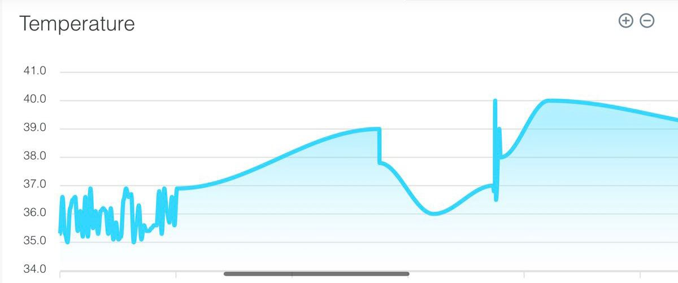 Temperature
 |  |  |  |  |  | Make availability for user to view data in table format - -able to toggle from graph trend to table format

 | Dashboard |  | Trends | Notifications

